Solver-Ad Mix
 | Advertising Mix

Price of TV advertising | $2,000.00 | Total Audience | 1,010,000.00 | x1 = # of advertisements through TV
Audience of TV advertising | 100,000 | Total Advertising Cost | $18,200.00 | x2 = # of advertisements through radio
TV advertising spots | 6.1 |  |  | x3 = # of advertisements through newspaper
Subtotal TV Cost | $12,200.00 | TV spots | 6.1
Subtotal TV Audience | 610,000 | Radio spots | 0.0
 |  | Newspaper spots | 10.0
Price of radio advertising | $3,000.00 | Total advertising spots | 16.1 | Max Z = 100000(x1) + 18000(x2) + 40000(x3)
Audience of Radio advertising | 18,000
Radio advertising spots | 0 | Constraints |  | S.T.
Subtotal Radio Cost | $-
Subtotal Radio Audience | - | Max advertising budget | $18,200.00 | 2000x1 + 3000x2 + 600x3 <= 18200
 |  | Max radio spots is half of total ad spots | 8.0 | x2 <= 0.5 (x1 + x2 + x3)
Price of Newspaper advertising | $600.00 | Min TV spots is 10% of total ad spots | 1.6 | x1 >= 0.1 * (x1 + x2 + x3)
Audience of Newspaper advertising | 40,000 | Max TV spots | 10
Newspaper advertising spots | 10.0 | Max Radio spots | 20 | x1 >= 0, x2 >= 0, and x3 >= 0
Subtotal Newspaper Cost | $6,000.00 | Max Newspaper spots | 10
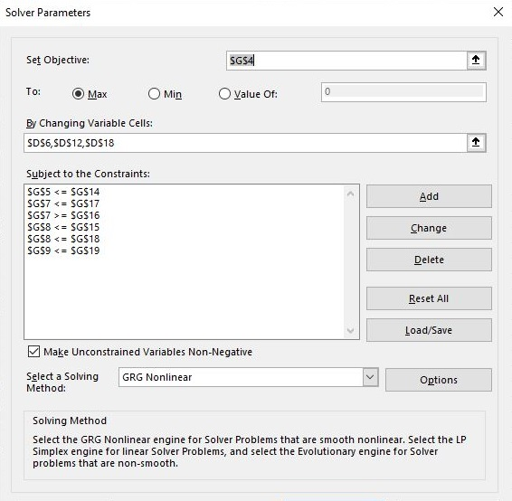
Subtotal Newspaper Audience | 400,000.00

Solver-Bicycle
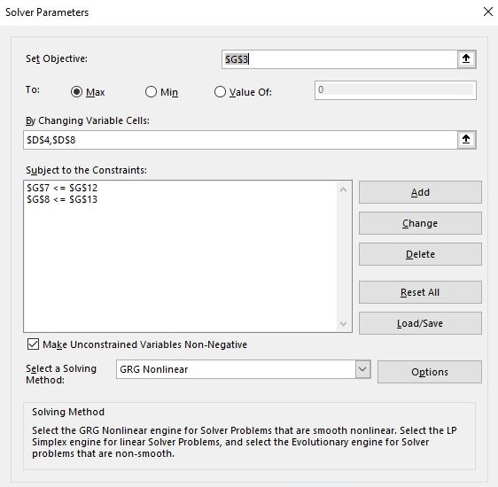
 | Bicycle Frames

Profit on deluxe frames | $10.00 | Total Profit | $412.50 | x1 = # of deluxe frames per week
Deluxe frames to produce | 15 |  |  | x2 = # of professional frames per week
Subtotal | $150.00 | Deluxe Frames | 15
 |  | Professional Frames | 17.5
Profit on professional frames | $15.00 | Total Alum Alloy | 100 | Max Z = 10x1 + 15x2
Professional frames to produce | 17.5 | Total Steel | 80 | S.T.
Subtotal | $262.50 |  |  | Aluminum Alloy per week <= 100 | 2x1 + 4x2 <= 100
 |  |  |  | Steel per week <= 80 | 3x1 + 2x2 <= 80
 |  | Constraints |  | Deluxe takes 2 lbs AA & 3 lbs steel
 |  | Max Alum Alloy per week | 100 | Professional takes 4lbs AA & 2lbs steel
 |  | Max Steel per week | 80
 |  |  |  | x1 >= 0 and x2 >= 0

Solver-Transport$
 | Transportation Costs

Cost per unit from Kansas City to Region 1 | $2.10 | Total Transportation Costs | $1,812.50 | x1 = # of units to transport from Kansas City to Region 1
Units to ship from Kansas City to Region 1 | 99.9999995 |  |  | x2 = # of units to transport from Kansas City to Region 2
Subtotal of Kansas City to Region 1 Transportation | $210.00 | Kansas City Production | 350 | x3 = # of units to transport from Kansas City to Region 3
 |  | Louisville Production | 400 | x4 = # of units to transport from Louisville to Region 1
Cost per unit from Kansas City to Region 2 | $2.25 | Total Production | 750 | x5 = # of units to transport from Louisville to Region 2
Units to ship from Kansas City to Region 2 | 250 |  |  | x6 = # of units to transport from Louisville to Region 3
Subtotal of Kansas City to Region 2 Transportation | $562.50 | Region 1 Shipments | 200
 |  | Region 2 Shipments | 250
Cost per unit from Kansas City to Region 3 | $3.00 | Region 3 Shipments | 300 | Min Z = 2.10(x1) + 2.25(x2) + 3,00(x3) + 2.00(x4) + 2.40(x5) + 2.80(x6)
Units to ship from Kansas City to Region 3 | 0
Subtotal of Kansas City to Region 3 Transportation | $- | Constraints |  | S.T.
 |  | Max Kansas City Production | 500 | Max Kansas City Productin <=500 | x1 + x2 + x3 <=500
Cost per unit from Louisville to Region 1 | $2.00 | Max Louisville Production | 400 | Max Louisville Production <=400 | x4 + x5 + x6 <= 400
Units to ship from Louisville to Region 1 | 100.000001 | Region 1 Demand | 200 | Min Region 1 shipments >= 200
Subtotal of Louisville to Region 1 Transportation | $200.00 | Region 2 Demand | 250 | Min Region 2 shipments >=250
 |  | Region 3 Demand | 300 | Min Region 3 shipments >=300
Cost per unit from Louisville to Region 2 | $2.40
Units to ship from Louisville to Region 2 | 0 |  |  | x1 >= 0, x2 >= 0, x3 >= 0, x4 >= 0, x5 >= 0, and x6 >= 0
Subtotal of Louisville to Region 2 Transportation | $-
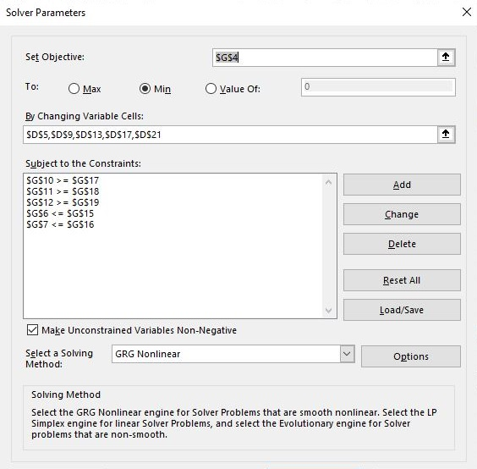
Cost per unit from Louisville to Region 3 | $2.80
Units to ship from Louisville to Region 3 | 300
Subtotal of Louisville to Region 3 Transportation | $840.00

